KKO
KAJIAN KELAYAKAN OPERASI

DAYA LAMA |  |  |  | DAYA BARU
Nama Pelanggan | : | INDARTO 11-23KVA |  | Nama Pelanggan | : | INDARTO 11-23KVA
Daya Lama (VA) | : | 11000 |  | Daya Baru (VA) | : | 23000
Jumlah Fasa | : | 1 | * | Jumlah Fasa | : | 3
Tegangan Sekunder Pengukuran rata-rata (Fasa-Netral) (V) | : | 220 | * | Tegangan Sekunder Pengukuran rata-rata (Fasa-Netral) (V) | : | 380
Beban Pelanggan (A) | : | 50.14 |  | Beban Pelanggan (A) | : | 34.94

SUPLAI TRAFO EKSISTING |  |  |  | SUPLAI TRAFO RENCANA
Nomor Tiang | : | K2-648 |  | Nomor Tiang | : | K2-648
Penyulang | : | PWI09 |  | Penyulang | : | PWI09
Daya | : | 100 | * | Daya | : | 160
Jumlah Fasa | : | 3 | * | Jumlah Fasa | : | 3
Beban TRAFO (Pengukuran Lapangan) |  | 0 |  | Beban TRAFO | : | 34.94
Beban Primer | : | 2.89 | * | Beban Primer | : | 4.62
Beban Sekunder | : | 151.93 | * | Beban Sekunder | : | 243.09
Beban (A) | : | 0.15 |  | Beban (A) | : | 0.24
Prosentase Pembebanan | : | 0% |  | Beban (A) | : | 14%
 | 14% | 100%
Prosentase Pembebanan | : | 100% |  | Beban (A) | : | 100%

DATA





DATA
Tahun | : | 2023
Discount Rate | : | 12%
Transfer price TM | : | 1,084 |  | Marginal COST maret 2022
Umur ekonomis (tahun) | : | 25.00
Selisih Susut Teknis | : | 2.25%
∑ Daya | : | 12
BP (Rp) | : | 11,628,000
RAB (Rp) | : | 105,307,784
Biaya O&M (2% invest) | : | 2,106,155.67

Nama Pelanggan | : | INDARTO 11-23KVA | *
Golongan Pelanggan | : | B2 | *
Jenis Layanan | : | REGULER | *
Daya Lama (kVA) | : | 11 | *
Daya Baru (kVA) | : | 23.00 | *
Tarif WBP (Rp/kWh) | : | 1,444.70 | *
Tarif LWBP (Rp/kWh) | : | 1,444.70 | *
BP (Rp/VA) TR | : | 969 | *
Jam Nyala | : | 40 | *

RAB
 |  | PT. PLN ( PERSERO )
 |  | UNIT INDUK DISTRIBUSI JAWA TENGAH & DI YOGYAKARTA |  |  |  |  |  |  |  |  |  |  | RAB TOTAL
 |  | UP3 DEMAK |  |  |  |  |  |  |  |  |  | RAB TOTAL | RAB NON MDU
 | RENCANA ANGGARAN BIAYA (RAB)

 |  |  |  | Pekerjaan | : | INDARTO 11-23KVA
 |  |  |  | Lokasi | : | JL R SUPRAPTO
 |  |  |  | Pelaksana | : | PT. PLN (PERSERO) UP3 DEMAK
 |  |  |  | Anggaran | : | SAR 2023

Note !! 1. Saat Pengisian Uraian di mohon memasukan nama material sesuai dengan nama material di harga satuan
2. Mohon di cek kembali saat pengisian volume material
3. Untuk program Sarana Penunjang Fungsi tidak perlu SLO.
 | NO | URAIAN | GOL | SAT | VOL | HARGA SATUAN | BIAYA YANG DIPERLUKAN ( Rp )
 |  |  |  |  |  |  | MDU | HARDWARE | JASA | JUMLAH

 |  |  |  |  |  | 0 | 0 | 0 | 0 | 0
#REF! | I | PEMASANGAN TIANG |  |  |  | 0 | 0 | 0 | 0 | 0
 |  |  |  |  |  | 0 | 0 | 0 | 0 | 0
 | II | PEMASANGAN KONSTRUKSI |  |  |  | 0 | 0 | 0 | 0 | 0
 | + | Trafo 3 Fasa 160 KVA 2 Tiang (G313) |  | Unit | 1 | 0 | 0 | 0 | 0 | 0 | #REF!
 | 1 | Trafo 3 phasa 160 kVA YNyn0 | MDU-KD | Bh | 1 | 77,674,900 | 77,674,900 | 0 | 0 | 77,674,900
 | 2 | Jumper Wire : |  |  |  | 0 | 0 | 0 | 0 | 0
 |  | AAAC 70 mm² | MDU-KD | Mtr |  | 14,200 | 0 | 0 | 0 | 0
 |  | NFA2X-T 3x70+1x70 | MDU-KD | Mtr |  | 54,500 | 0 | 0 | 0 | 0
 | 3 | Lightning Arester (Polymer) 21 KV, 10 KA | MDU-KD | Bh | 3 | 725,900 | 2,177,700 | 0 | 0 | 2,177,700
 | 4 | FCO Polymer | MDU-KD | Bh | 3 | 848,250 | 2,544,750 | 0 | 0 | 2,544,750
 | 5 | Fuse Link 6 A | HDW | Bh |  | 18,000 | 0 | 0 | 0 | 0
 | 6 | Sepatu Kabel AL/CU Ring-70 mm² | HDW | Bh |  | 49,000 | 0 | 0 | 0 | 0
 | 7 | Bolt Machine / Bolt cariage ½" x ¾" | HDW | Bh |  | 7,938 | 0 | 0 | 0 | 0
 | 8 | Bracket band segment,vertikal plat ( Hot dip galvanis ) | HDW | Bh |  | 404,600 | 0 | 0 | 0 | 0
 | 9 | Compresion Conector H type 70 mm² / 70 mm² | HDW | Bh |  | 15,900 | 0 | 0 | 0 | 0
 | 10 | Cross Arm Steel 2.000 mm ( UNSP 10 ) galvanis | HDW | Bh |  | 380,500 | 0 | 0 | 0 | 0
 | 11 | Cross Arm Steel 3.000 mm ( UNSP 10 ) galvanis | HDW | Bh |  | 559,200 | 0 | 0 | 0 | 0
 | 12 | Hot Line Clamp ( 150mm² s/d 240 mm² ) | HDW | Bh |  | 173,400 | 0 | 0 | 0 | 0
 | 13 | Pole Band Single Rack 7" atau 7 ½" | HDW | Bh |  | 57,690 | 0 | 0 | 0 | 0
 | 14 | Pole Band Single Rack 8" atau 8 ½" | HDW | Bh |  | 60,300 | 0 | 0 | 0 | 0
 | 15 | Steel L 70 x 70 x 7 x 780 mm galvanis | HDW | Bh |  | 129,000 | 0 | 0 | 0 | 0
 | 16 | Upah Pasang Trafo 3 Fasa 160 KVA 2 Tiang | JASA | Unit |  | 3,784,400 | 0 | 0 | 0 | 0
 | 17 | Upah Pasang Trafo 3 Fasa 50 KVA 1 Tiang | JASA | Unit | 1 | 1,182,800 | 0 | 0 | 1,182,800 | 1,182,800
 |  |  |  |  |  | 0 | 0 | 0 | 0 | 0 | #REF!
 | III | PEKERJAAN PEMASANGAN KONDUKTOR |  |  |  | 0 | 0 | 0 | 0 | 0
 |  |  |  |  |  | 0 | 0 | 0 | 0 | 0 | #REF!
 | IV | PEMASANGAN APP |  |  |  | 0 | 0 | 0 | 0 | 0
 | + | Daya 23.000 VA |  | Unit | 1 | 0 | 0 | 0 | 0 | 0
 | 1 | KWH Elektronik; 3P; 4W; 220/380V; 5(80) A; kls 1 (Pengukuran Langsung) | MDU-KD | Bh | 1 | 1,427,400 | 1,427,400 | 0 | 0 | 1,427,400
 | 2 | Smart Box Langsung Daya 23 kVA MCCB 35 A | MDU-KD | Unit | 1 | 3,564,900 | 3,564,900 | 0 | 0 | 3,564,900
 | 3 | Modem 3G/4G | HDW | Unit | 1 | 1,113,900 | 0 | 1,113,900 | 0 | 1,113,900
 | 4 | NFA2X 4 x 16 mm² | MDU-KD | Mtr | 45 | 13,500 | 607,500 | 0 | 0 | 607,500
 | 5 | Upah Pasang SR + APP 3 Fasa | JASA | Unit | 1 | 106,400 | 0 | 0 | 106,400 | 106,400
 |  |  |  |  |  | 0 | 0 | 0 | 0 | 0
 | + | CM2-11 |  | Unit | 1 | 0 | 0 | 0 | 0 | 0
 | 1 | Ground rod ⅝" x 8" Copper Weld | HDW | Bh | 1 | 185,200 | 0 | 185,200 | 0 | 185,200
 | 2 | Bimetalic Connector 35 - 240 mm² | HDW | Bh | 1 | 47,459 | 0 | 47,459 | 0 | 47,459
 | 3 | Ground wire Cu 16 mm² | HDW | Mtr | 1.5 | 30,000 | 0 | 45,000 | 0 | 45,000
 | 4 | Ground rod & Washer | HDW | Bh | 2 | 9,500 | 0 | 19,000 | 0 | 19,000
 | 5 | Upah Pasang Acc.Jar M2-11 | JASA | Unit | 1 | 56,400 | 0 | 0 | 56,400 | 56,400
 |  |  |  |  |  | 0 | 0 | 0 | 0 | 0
 | V | PEKERJAAN BONGKAR |  |  |  | 0 | 0 | 0 | 0 | 0
 | 1 | Upah Bongkar Trafo 3 Fasa 100 KVA 1 Tiang | JASA | Unit | 1 | 1,771,980 | 0 | 0 | 1,771,980 | 1,771,980
 | 2 | Upah Bongkar SR + APP 1 Fasa | JASA | Unit | 1 | 32,640 | 0 | 0 | 32,640 | 32,640
 |  | SLO |  |  |  | 0 | 0 | 0 | 0 | 0
 | 1 | Sertifikasi Laik Operasi | JASA | Lot | 1 | 2.5% | 2,199,929 | 35,264 | 78,756 | 2,313,948
 |  |  |  |  |  |  | 0 | 0 | 0 | 0

 |  | Jumlah MDU - Hardware - Jasa |  |  |  | : | 90,197,079 | 1,445,823 | 3,228,976 | 94,871,877
 |  | PPN 11% |  |  |  | : | 9,921,679 | 159,041 | 355,187 | 10,435,906
 |  | Jumlah Total |  |  |  | : | 100,118,757 | 1,604,864 | 3,584,163 | 105,307,784
 | Terbilang : Seratus Lima Juta Tiga Ratus Tujuh Ribu Tujuh Ratus Delapan Puluh Empat Rupiah

 | Harga yang dipakai adalah RAB HSS 2023

 |  |  |  |  |  |  |  | Demak, 16 Oktober 2023
 |  |  |  |  |  |  |  | ASMAN PERENCANAAN

 |  |  |  |  |  |  |  | VALENTHINA EKA SABTI WONOHUSODO

GAMBAR
 | PT. PLN (PERSERO) UP3 DEMAK

-7.092627, 110.913796 | Keterangan Gambar :
 | No | Nama Material |  |  | Baru |  | Eksisting
 | 1 | Tiang Beton
 | 2 | Tiang Besi
 | 3 | JTM 3 Fasa
 | 4 | JTM 1 Fasa
 | 5 | JTR 1 Fasa Only / UB
 | 6 | JTR 3 Fasa Only / UB
 | 7 | Trafo 1 Fasa
 | 8 | Trafo 3 Fasa
s
s
 | 9 | Fuse Cut Out
 | 10 | ABSW
 | 11 | Vang Net
 | 12 | Schoor
 | 13
s
s
1 APP 11KVA
1 APP 23 KVA
1 CM2-11
SR 4X16 = 45MTR
 | Bongkar Pasang Konstruksi :
 | Pasang |  |  |  | Bongkar
 | CM2-11 |  | UNIT | 1 | APP 11KVA |  | UNIT | 1
 | G313 160KVA |  | UNIT | 1 | G312-A 100KVA |  | UNIT | 1
1 C12-350E
1 CC1
3 CJ6-T
1 G312-A 100KVA
1 G313 160kva
 | APP23KVA |  | UNIT | 1
160 kVA
100 kVA

 | Keterangan Tambahan : https://goo.gl/maps/BBmyPAdWKc4wmTC86

 | Golongan
 | No. Gambar |  | 1 |  |  | Lembar |  | dr
 | Gambar dari |  |  |  |  | Skala
 | Perihal:
 | PD INDARTO 11-23KVA

 | Digambar |  | Spv. Rensis
 | Diperiksa |  | Man. Perencanaan
 | Diketahui |  | Man. Perencanaan
 | Disetujui |  | Manager

1 CG 313-A
1 C12-350E
1 CC7
3 CM2-11M
1 CM2-12
1 CM2-12A
1 F1-2
1 CE1-2

RUMAH SAKIT TRIMEDIKA
35
35
JL.PURWODADI-SUKOLILO-PATI

K2-541 B
1 C12-350E
1 CC1-A
1 CM2-12
1 CJ6-T
K2-541 A
1 C12-350E
1 CC8-AN
1 CM2-12
1 F1-2
1 CE1-2
K2-541
1 C12-350E
1 CC1
1 CC7
2 CM5-5

Peta lokasi
PETA LOKASI

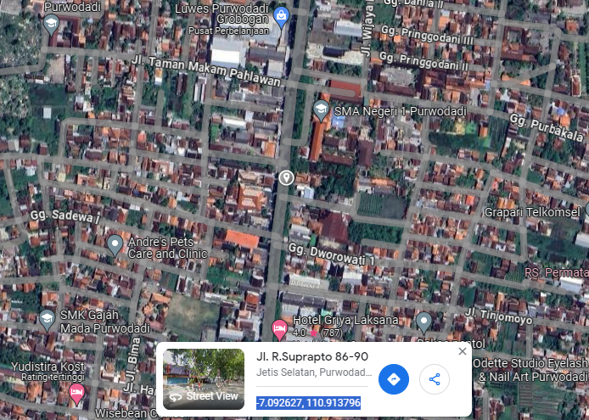

RS TRI MEDIKA KETAPANG

SLD
SINGLE LINE DIAGRAM LOKASI

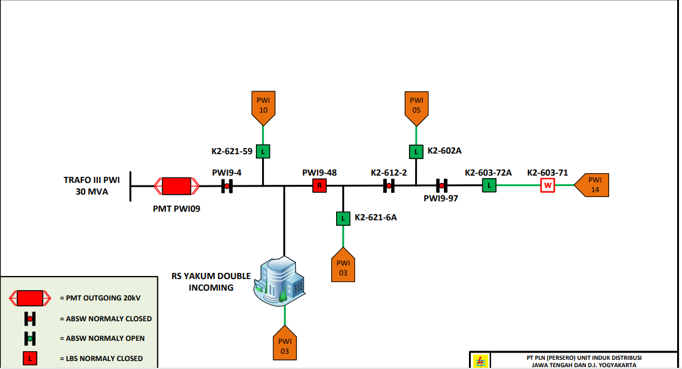

lokasi

